Sheet1
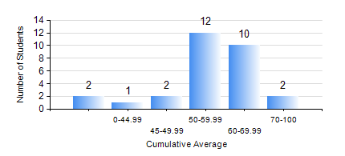
 |  |  | KWAME NKRUMAH UNIVERSITY OF SCIENCE AND TECHNOLOGY, KUMASI Department of Mechanical Engineering

 |  |  | BSC. MARINE ENG.

 |  |  | COMPREHENSIVE RECORD OF EXAMINATION RESULTS

 |  |  | RESULTS OF YEAR 1 SECOND SEMESTER, 2022/2023 ACADEMIC YEAR

 | Sn | Course Code |  | Course Name | Credit Hours | Min. Mark | Max. Mark | Avg. Mark | Std. Dev. | No. Passed | No. Trailed | No. (Df) | No. (I) | No. (I*) | No. Tagged(I,I*,Df) | Total
 | 0. |  |  |  |  |  |  | 0 | 0 | 0 | 0 | 0 | 0 | 0 | 0 | 2
 | 1. | EE 152 |  | BASIC ELECTRONICS | 2 | 35 | 76 | 52 | 13.16 | 24 | 3 | 0 | 0 | 0 | 0 | 27
 | 2. | ENGL 158 |  | COMMUNICATION SKILLS II | 2 | 50 | 85 | 68 | 10.36 | 27 | 0 | 0 | 0 | 0 | 0 | 27
 | 3. | FC 182 |  | FRENCH FOR COMMUNICATION II | 2 | 40 | 74 | 54 | 9.82 | 27 | 0 | 0 | 0 | 0 | 0 | 27
 | 4. | MATH 152 |  | CALCULUS WITH ANALYSIS | 4 | 63 | 79 | 71 | 4.22 | 27 | 0 | 0 | 0 | 0 | 0 | 27
 | 5. | ME 160 |  | ENGINEERING DRAWING | 3 | 41 | 81 | 65 | 10.6 | 27 | 0 | 0 | 0 | 0 | 0 | 27
 | 6. | ME 164 |  | STATICS OF SOLID MECHANICS | 2 | 44 | 97 | 71 | 17.32 | 27 | 0 | 0 | 0 | 0 | 0 | 27
 | 7. | ME 168 |  | COMPUTER PROGRAMMING FOR ENGINEERS | 2 | 10 | 78 | 43 | 16.14 | 20 | 7 | 0 | 0 | 0 | 0 | 27
 | 8. | MME 174 |  | MARINE ENGINEERING DESIGN PROJECT I | 2 | 57 | 80 | 70 | 6.88 | 27 | 0 | 0 | 0 | 0 | 0 | 27

